Instructions
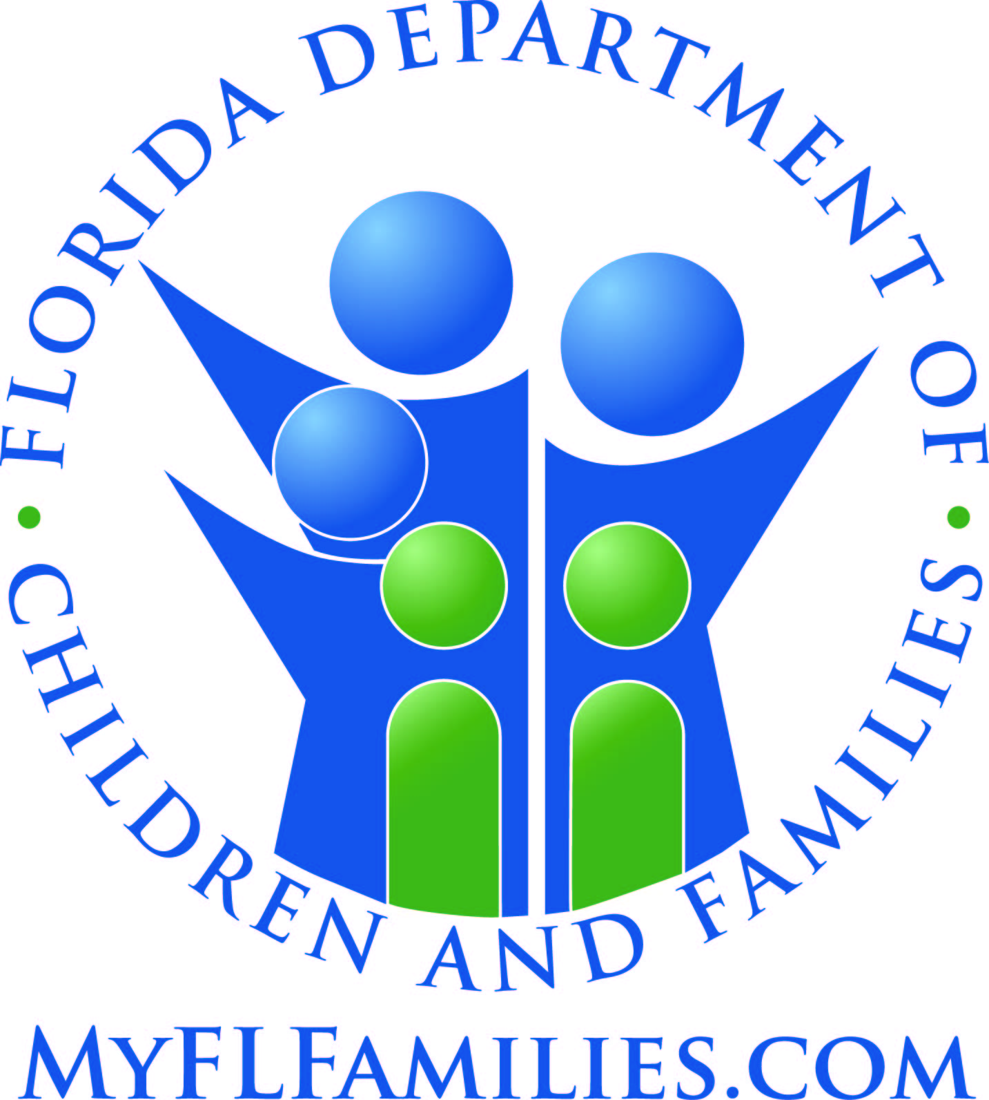
State of Florida
Department of Children and Families

Managing Entity Substance Abuse and Mental Health Block Grant Reporting Template Overview and Instructions

All tables in this template are required and are based specifically on the actual tables found in the Federal Substance Abuse and Mental Health Block Grant (SAMHBG) Report prepared and submitted annually by the Department of Children and Families. Table numbering is based upon the SAMHBG established structure and, for the purposes of this document, excludes those tables not requiring data input by the Managing Entity.

Hints and Reminders:

1.) There is a tab for each table. Tables 2 - 7 are expenditure tables and 9 - 34 are tables related to services (table 35 contains a mix of both). This template only encompasses those tables that are a mandatory reporting requirement and reflect their corresponding table number in annual Block Grant Reports. All cells that have been blacked out are not required. Detailed instructions for each page can be found further down in this tab.

2.) Pay close attention to reporting periods for each table.
 | a.) The State fiscal year begins July 1 and ends June 30.
 | b.) The Federal fiscal year begins October 1 and ends September 30.
 | c.) Tables with a State fiscal year period will generally reflect the most recent fiscal year.
 | d.) Tables with a Federal fiscal year will generally reflect a period two years in the past.

3.) Areas in gray are cells that auto-tabulate based on the data you enter into other cells. Please DO NOT try to alter any cells in the report as they are formatted for specific purposes.

4.) Some tables ask for the same information in different ways. In circumstances such as these, once you input the data in the first table that requires it, all cells in subsequent tables requiring the same data for the same reporting period will auto-populate.

5.) When submitting report data, please DO NOT leave a table blank or merely note that it has previously been submitted. Incomplete templates will be returned for revision.

If, at any time, you have questions or are in need of assistance in preparing this report, please contact one of the Substance Abuse and Mental Health Block Grant Coordinators.

(850) 717-4323 or (850) 717-4405

Substance Abuse Prevention and Treatment Block Grant Tables

Table 2 – State Agency Expenditure Report
Expenditure Period: 07/01/2020 - 06/30/2021

For the purposes of bi-annual reporting pursuant to the ME contracts, the reporting period for Table 2 has been divided in half. The mid-year report should reflect expenditures for the first six months of the period, July 1 through December 31. The end of year report, should reflect the previously reported six months and the second six months of the reporting period, January 1 through June 30.

This table requires expenditure amounts, by source of funds, for each kind of activity. Only those expenditures of funds flowing through the principal agency of the state that administered the SABG should be entered. All amounts should be entered in whole dollars.

COLUMNS
1.) SA Block Grant - enter all SABG funds that were spent during the reporting period by the activities listed.

2.) State MOE Funding - enter all expenditures of state funds, including all expenditures of state general revenue funds or special appropriations administered by the principal agency.

ACTIVITY ROWS
1.) Substance Abuse Prevention and Treatment - this row is automatically tabulated based on the amounts entered in rows 1(a) and 1(b).

 | 1 (a). Pregnant Women and Women with Dependent Children - enter the amount of funds expended for related direct services and accompaniments for pregnant women and women with dependent children.

 | 1 (b). All Other - enter the amount of funds expended for substance abuse treatment and intervention services. This includes funds used for alcohol and drug intervention and treatment activities, such as medication assisted treatment, outpatient counseling, residential rehabilitation including therapeutic community stays, and hospital-based care. This also includes related direct services to patients/clients/service recipients, interim services, outreach, detoxification, vocational counseling, case management, central intake, follow-up and non-state (e.g., intermediary, provider, county) program administration. Early intervention activities (which are not considered primary prevention) and rehabilitation activities should be included. DO NOT include administrative costs in this row.

2.) Primary Prevention - enter expenditure information on primary prevention activities. Enter the amount expended from all funding sources for this purpose. Primary prevention includes activities directed at individuals who do not require treatment for substance abuse. Such activities may include education, mentoring, and other activities designed to reduce the risk of substance abuse by individuals. Note that under the SABG statute, early intervention activities should not be included as part of primary prevention.

4.) HIV Early Intervention Services - enter the amount of funds expended on early intervention services for HIV at the sites at which individuals are receiving treatment for substance abuse. Enter the amount expended from all available SABG awards and through other funding sources for this purpose.

8.) Administration - enter the amount of funds expended on administration that includes grants and contracts management, policy and auditing, personnel management, legislative liaison, and other overhead costs.

Table 4 – State Agency SABG Expenditure Compliance Report
Expenditure Period: 10/01/2018 - 09/30/2019

ACTIVITY ROWS
1.) Substance Abuse Prevention and Treatment - enter the amount of funds from the SABG expended for substance abuse treatment and intervention services. This includes funds used for alcohol and drug intervention and treatment activities, such as medication assisted treatment, outpatient counseling, residential rehabilitation including therapeutic community stays, and hospital-based care. This also includes related direct services to patients/clients/service recipients, such as the SABG required service accompaniments for pregnant women and women with dependent children, interim services, outreach, detoxification, vocational counseling, case management, central intake, follow-up and non-state (e.g., intermediary, provider, county) program administration. Early intervention activities (which are not considered primary prevention) and rehabilitation activities should be included as part of row 1. This row may include treatment related resource development expenditures. DO NOT include administrative costs in this row. NOTE: If this cell is gray, the amount will auto populate from Table 7. No data entry is required.

2.) Primary Prevention - enter SABG expenditures information for primary prevention activities. Primary prevention includes activities directed at individuals who do not require treatment for substance abuse. Such activities may include education, mentoring, and other activities designed to reduce the risk of substance abuse by individuals. Note that under the SABG statute, early intervention activities should not be included as part of primary prevention. This row may include primary prevention related resource development expenditures. NOTE: If this cell is gray, the amount will auto populate from Table 7. No data entry is required.
...

