Overview
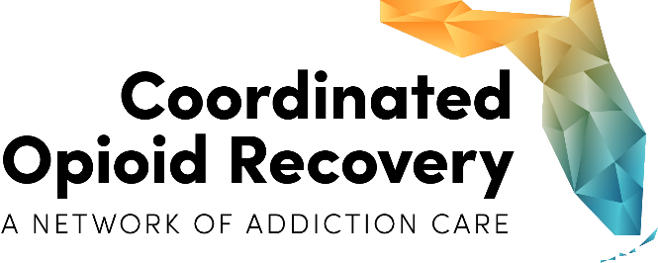
CORE Network Narrative Report
(Select ME)
(Select Region)

 | This report serves to track the progress and performance of CORE Networks statewide.
 | Kindly email completed spreadsheets to: HQW.SAMH.Core@myflfamilies.com

 | Community Outreach | Describe your community CORE outreach efforts. Community CORE outreach efforts can include activities such as scheduled days/locations for naloxone distribution, presentations at colleges/universities, health fairs, faith-based organizations, law enforcement activities or other community providers disseminating brochures, and other community events/activities. To illustrate your community outreach please send attachment of pictures, sample flyers, brochures, etc.
 | Innovation | Describe any new and innovative treatment methods or practices implemented that have enhanced your CORE Network.
 | Community Partnerships | List any new formal or informal partnerships established in the reporting period (i.e., Memoranda of Understandings, Referral Agreements, Data Sharing Agreements, common assessments, etc.) and what service they provide.
 | Success Story | Provide a success story from the CORE Network (if applicable). The success story can illustrate the benefits of an individual entering a coordinated system of care where all CORE components work together, or an individual receiving treatment and recovery support services, including MAT. Success stories can also focus on an achievement within the CORE Network, such as a hosptial that has decided to do inductions and work within the CORE Network.
 | Media Links | Provide media links (including social media) highlighting your CORE Network for this reporting period (if applicable).

