Instructions
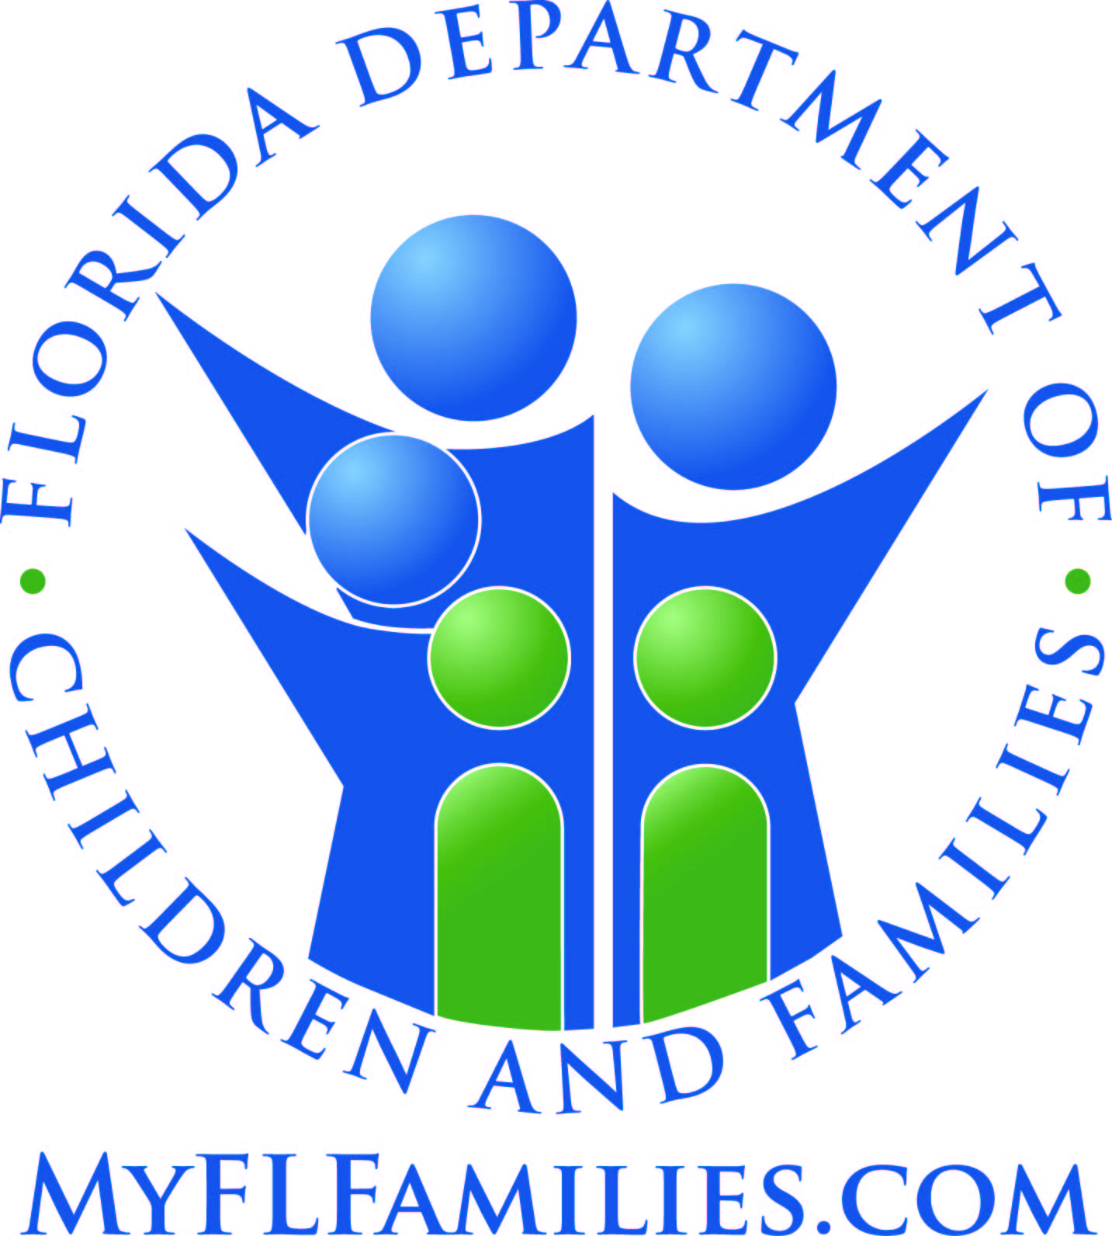
State of Florida
Department of Children and Families

Managing Entity Substance Abuse and Mental Health Block Grant Reporting Template Overview and Instructions

All tables in this template are required and are based specifically on the actual tables found in the Federal Substance Abuse and Mental Health Block Grant (SAMHBG) Report prepared and submitted annually by the Department of Children and Families. Table numbering is based upon the SAMHBG established structure and, for the purposes of this document, excludes those tables not requiring data input by the Managing Entity.

Hints and Reminders:

1.) There is a tab for each table. Tables 2 - 7 are expenditure tables and 9 - 34 are tables related to services (table 35 contains a mix of both). This template only encompasses those tables that are a mandatory reporting requirement and reflect their corresponding table number in annual Block Grant Reports. All cells that have been blacked out are not required. Detailed instructions for each page can be found further down in this tab.

2.) Pay close attention to reporting periods for each table.
 | a.) The State fiscal year begins July 1 and ends June 30.
 | b.) The Federal fiscal year begins October 1 and ends September 30.
 | c.) Tables with a State fiscal year period will generally reflect the most recent fiscal year.
 | d.) Tables with a Federal fiscal year will generally reflect a period two years in the past.

3.) Areas in gray are cells that auto-tabulate based on the data you enter into other cells. Please DO NOT try to alter any cells in the report as they are formatted for specific purposes.

4.) Some tables ask for the same information in different ways. In circumstances such as these, once you input the data in the first table that requires it, all cells in subsequent tables requiring the same data for the same reporting period will auto-populate.

5.) When submitting report data, please DO NOT leave a table blank or merely note that it has previously been submitted. Incomplete templates will be returned for revision.

If, at any time, you have questions or are in need of assistance in preparing this report, please contact one of the Substance Abuse and Mental Health Block Grant Coordinators.

(850) 717-4323 or (850) 717-4405

Substance Abuse Prevention and Treatment Block Grant Tables

Table 2 – State Agency Expenditure Report
Expenditure Period: 07/01/2019 - 06/30/2020

For the purposes of bi-annual reporting pursuant to the ME contracts, the reporting period for Table 2 has been divided in half. The mid-year report should reflect expenditures for the first six months of the period, July 1 through December 31. The end of year report, should reflect the previously reported six months and the second six months of the reporting period, January 1 through June 30.

This table requires expenditure amounts, by source of funds, for each kind of activity. Only those expenditures of funds flowing through the principal agency of the state that administered the SABG should be entered. All amounts should be entered in whole dollars.

COLUMNS
1.) SA Block Grant - enter all SABG funds that were spent during the reporting period by the activities listed.

2.) State MOE Funding - enter all expenditures of state funds, including all expenditures of state general revenue funds or special appropriations administered by the principal agency.

ACTIVITY ROWS
1.) Substance Abuse Prevention and Treatment - this row is automatically tabulated based on the amounts entered in rows 1(a) and 1(b).

 | 1 (a). Pregnant Women and Women with Dependent Children - enter the amount of funds expended for related direct services and accompaniments for pregnant women and women with dependent children.

 | 1 (b). All Other - enter the amount of funds expended for substance abuse treatment and intervention services. This includes funds used for alcohol and drug intervention and treatment activities, such as medication assisted treatment, outpatient counseling, residential rehabilitation including therapeutic community stays, and hospital-based care. This also includes related direct services to patients/clients/service recipients, interim services, outreach, detoxification, vocational counseling, case management, central intake, follow-up and non-state (e.g., intermediary, provider, county) program administration. Early intervention activities (which are not considered primary prevention) and rehabilitation activities should be included. DO NOT include administrative costs in this row.

2.) Primary Prevention - enter expenditure information on primary prevention activities. Enter the amount expended from all funding sources for this purpose. Primary prevention includes activities directed at individuals who do not require treatment for substance abuse. Such activities may include education, mentoring, and other activities designed to reduce the risk of substance abuse by individuals. Note that under the SABG statute, early intervention activities should not be included as part of primary prevention.

4.) HIV Early Intervention Services - enter the amount of funds expended on early intervention services for HIV at the sites at which individuals are receiving treatment for substance abuse. Enter the amount expended from all available SABG awards and through other funding sources for this purpose.

8.) Administration - enter the amount of funds expended on administration that includes grants and contracts management, policy and auditing, personnel management, legislative liaison, and other overhead costs.

Table 4 – State Agency SABG Expenditure Compliance Report
Expenditure Period: 10/01/2017 - 09/30/2018

ACTIVITY ROWS
1.) Substance Abuse Prevention and Treatment - enter the amount of funds from the SABG expended for substance abuse treatment and intervention services. This includes funds used for alcohol and drug intervention and treatment activities, such as medication assisted treatment, outpatient counseling, residential rehabilitation including therapeutic community stays, and hospital-based care. This also includes related direct services to patients/clients/service recipients, such as the SABG required service accompaniments for pregnant women and women with dependent children, interim services, outreach, detoxification, vocational counseling, case management, central intake, follow-up and non-state (e.g., intermediary, provider, county) program administration. Early intervention activities (which are not considered primary prevention) and rehabilitation activities should be included as part of row 1. This row may include treatment related resource development expenditures. DO NOT include administrative costs in this row. NOTE: If this cell is gray, the amount will auto populate from Table 7. No data entry is required.

2.) Primary Prevention - enter SABG expenditures information for primary prevention activities. Primary prevention includes activities directed at individuals who do not require treatment for substance abuse. Such activities may include education, mentoring, and other activities designed to reduce the risk of substance abuse by individuals. Note that under the SABG statute, early intervention activities should not be included as part of primary prevention. This row may include primary prevention related resource development expenditures. NOTE: If this cell is gray, the amount will auto populate from Table 7. No data entry is required.

3.) HIV Early Intervention Services - enter information on one or more projects established to make available early intervention services for HIV disease at the sites in which individuals are receiving treatment for substance abuse. Enter only the amount expended from the SABG award. This row may include HIV Early Intervention related resource development expenditures. NOTE: If this cell is gray, the amount will auto populate from Table 7. No data entry is required.

5.)Administration - enter expenditure information that includes grants and contracts management, policy and auditing, personnel management, legislative liaison, and other overhead costs. *No Federal Block Grant dollars may be spent on administration below the state (DCF) level.*

Table 5a – Primary Prevention Expenditures Checklist
Expenditure Period: 10/01/2017 - 09/30/2018

The state’s primary prevention program must include, but is not limited to, the six primary prevention strategies defined below. Expenditures within each of the six strategies should be directly associated with the cost of completing the activity or task, for example, information dissemination should include the cost of developing pamphlets, the time of participating staff or the cost of public service announcements etc. If a state employs strategies not covered by these six categories, please report them under “Other” in Table 5a.

 | Information Dissemination – This strategy provides knowledge and increases awareness of the nature and extent of alcohol and other drug use, abuse, and addiction, as well as their effects on individuals, families, and communities. It also provides knowledge and increases awareness of available prevention and treatment programs and services. It is characterized by one-way communication from the source to the audience, with limited contact between the two.

 | Education – This strategy builds skills through structured learning processes. Critical life and social skills include decision making, peer resistance, coping with stress, problem solving, interpersonal communication, and systematic and judgmental abilities. There is more interaction between facilitators and participants than in the information strategy.

 | Alternatives – This strategy provides participation in activities that exclude alcohol and other drugs. The purpose is to meet the needs filled by alcohol and other drugs with healthy activities, and to discourage the use of alcohol and drugs through these activities.

 | Problem Identification and Referral – This strategy aims at identification of those who have indulged in illegal/age-inappropriate use of tobacco or alcohol and those individuals who have indulged in the first use of illicit drugs in order to assess if their behavior can be reversed through education. It should be noted however, that this strategy does not include any activity designed to determine if a person is in need of treatment.

 | Community-based Process – This strategy provides ongoing networking activities and technical assistance to community groups or agencies. It encompasses neighborhood-based, grassroots empowerment models using action planning and collaborative systems planning.

 | Environmental – This strategy establishes or changes written and unwritten community standards, codes, and attitudes, thereby influencing alcohol and other drug use by the general population.

 | Other – The six primary prevention strategies have been designed to encompass nearly all of the prevention activities. However, in the unusual case an activity does not fit one of the six strategies it may be classified in the “Other” category.

In addition, prevention strategies may be classified using the IOM Model of Universal, Selective and Indicated, which classifies preventive services by the population targeted. Definitions for these categories appear below:

 | Universal: Activities targeted to the general public or a whole population group that has not been identified on the basis of individual risk.

 | Selective: Activities targeted to individuals or a subgroup of the population whose risk of developing a disorder is significantly higher than average.

 | Indicated: Activities targeted to individuals in high-risk environments, identified as having minimal but detectable signs or symptoms foreshadowing disorder or having biological markers indicating predisposition for disorder but not yet meeting diagnostic levels.

States that are able to report on both the strategy type and the population served (universal, selective or indicated) should do so. If expenditure information is only available by strategy type, then the state should report expenditures in the row titled Unspecified (for example, Information Dissemination Unspecified).

States should report principal agency expenditures from the SABG and other sources for substance abuse primary prevention services as follows:

COLUMNS
1.) SA Block Grant - enter the amount of SABG funds expended on each activity during the 12 month expenditure period.

2.) Other Federal Funds - enter the amount of other Federal funds expended on each activity during the 12 month expenditure period.

3.) State Funds - enter the amount of State funds expended on each activity during the 12 month expenditure period.

4.) Local Funds - enter the amount of local funds expended on each activity during the 12 month expenditure period.

5.) Other - enter the amount of other funds expended on each activity during the 12 month expenditure period.

Table 6 – Resource Development Expenditure Checklist
Expenditure Period: 10/01/2017 - 09/30/2018

Expenditures for resource development activities may be direct expenditures (involving the time of state or sub-state personnel, or other state or sub-state resources) or be through funding mechanisms with independent organizations. These include state, regional, and local personnel salaries prorated for time spent and operating costs such as travel, printing, advertising, and conducting meetings related to the categories below.

Resource development activities exclude expenditures through funding mechanisms for providing treatment “direct service” activities and primary prevention activities themselves. Those activities are to be reflected in Table 7. Resource development expenditures provide support to those activities.

The following are descriptions of the categories for resource development:

 | Planning, coordination, and needs assessment –Any funding mechanisms with community-based organizations or local governments for planning and coordination fall into this category, as do needs assessment projects to identify the scope and magnitude of the problem, resources available, gaps in services, and strategies to close those gaps. Include expenditures for activities such as planning meetings, data collection, analysis, and writing.

 | Quality Assurance – This includes activities at any level (state, region, provider) to assure conformity to acceptable professional standards and to identify problems that need to be remedied. Sub-state administrative agency funding mechanisms to monitor service providers fall in this category, as do expenditures for independent peer review activities.

 | Training (post-employment) – This includes expenditures for staff development and continuing education for personnel employed in local programs as well as support and coordination agencies, as long as the training relates to substance abuse services delivery. Typical costs include course fees, tuition and expense reimbursements to employees, trainer(s) and support staff salaries, and certification expenditures.

 | Education (pre-employment) – This includes support for students and fellows in vocational, undergraduate, graduate, or postgraduate programs who have not yet begun working in substance abuse programs. Costs might include scholarship and fellowship stipends, instructor(s) and support staff salaries, and operating expenses.

 | Program development – This includes consultation, technical assistance, and material support to local providers and planning groups. Generally these activities are carried out by state and sub-state level agencies.

 | Research and evaluation – This includes program performance measurement, evaluation, and research, such as clinical trials and demonstration projects to test feasibility and effectiveness of a new approach. These activities may have been carried out by the principal agency of the state or an independent organization.

 | Information systems – This includes collecting and analyzing treatment and prevention data to monitor performance and outcomes. These activities might be carried out by the principal agency of the state or an independent organization.

Table 7 – Statewide Entity Inventory
Expenditure Period: 10/01/2017 - 09/30/2018

Table 7 itemizes by provider the expenditures for each of the treatment and primary prevention activities themselves. It is a list of treatment providers and primary prevention providers.

This table requires states to provide a list of its SABG-funded entities and corresponding expenditures for authorized activities funded under the SABG awarded three years prior to the year the state is applying for funds.

This table requires the state to enter actual expenditure amounts (not estimates).

This table records information about the entities/providers funded to provide treatment “direct service” activities and/or primary prevention activities and/or HIV Early Intervention Services.

This template has already populated the list of providers for each managing entity. Find your ME list of providers and enter the data for each column and provider. If you have added additional providers since the time this list was prepared, please use the extra spaces provided for you in your specific provider inventory table. If you need additional spaces, please contact one of the SAMH Block Grant Coordinators to assist you.

Table 9 – Prevention Strategy Report
Expenditure Period: 10/01/2017 - 09/30/2019

Record the number of providers performing each of the activities listed. Providers are those entities that expended primary prevention set-aside funds. If a provider employs strategies that are not listed, please report these under “Other Strategies” and enter a description of the type of strategy/activity.

Table 10 – Treatment Utilization Matrix
Reporting Period: 7/1/2019 – 6/30/2020

This table is intended to capture the unduplicated count of persons with initial admissions and any subsequent admission(s) to an episode of care (as defined in the Drug and Alcohol Services Information System Treatment Episode Data Set). Table 10 documents the levels and amounts of care purchased statewide during the state fiscal year by the principal agency of the state administering the SABG. Include all care purchased with public dollars, regardless of the source of funds. The state may not have funded all levels of care. If any row is not applicable, enter zeroes in the appropriate row.

Detoxification (24-hour care):
 | Row 1: Hospital Inpatient – Twenty-four hour/day medical acute care services for detoxification for persons with severe medical complications associated with withdrawal.

 | Row 2: Free-standing Residential – Twenty-four hour/day services in a non-hospital setting that provide for safe withdrawal and transition to ongoing treatment.

Rehabilitation/Residential:
 | Row 3: Hospital Inpatient - Twenty-four hour/day medical care (other than detoxification) in a hospital facility in conjunction with treatment services for alcohol and other drug abuse and dependency.

 | Row 4: Short-term (up to 30 days) – Short-term residential, typically 30 days or less of non-acute care in a setting with treatment services for alcohol and other drug abuse and dependency.

 | Row 5: Long-term (over 30 days) - Long-term residential, typically over 30 days of non-acute care in a setting with treatment services for alcohol and other drug abuse and dependency (may include transitional living arrangements such as halfway houses).

Ambulatory (Outpatient):
 | Row 6: Outpatient – Treatment/recovery/aftercare or rehabilitation services provided where the patient does not reside in a treatment facility. The patient receives drug abuse or alcoholism treatment services with or without medication, including counseling and supportive services. Day treatment is included in this category. This also is known as nonresidential services in the alcoholism field.

 | Row 7: Intensive Outpatient – Services provided to a patient that last two or more hours per day for three or more days per week.

 | Row 8: Detoxification – Outpatient treatment services rendered in less than 24 hours that provide for safe withdrawal in an ambulatory setting (pharmacological or non-pharmacological).

Opioid Replacement Therapy:
 | Row 9: ORT Detoxification

 | Row 10: Opioid Replacement Therapy - Report the number of clients for whom it was planned to use opioid replacement therapy during their course of treatment.

In column A, report the total number of initial admissions to an episode of care for each of the ten levels of care during the 12-month State Expenditure Period designated on Form 1. Each re-admission of a client that occurs during the applicable 12-month time frame would be counted.

In column B, report the unduplicated number of persons served within the set of persons who were admitted during the 12-month period specified on Form 1. Note that column B is a subset of column A. Clients served during the State Expenditure Period are counted only once in each applicable level of care, even if they terminate and are readmitted during the 12-month time period.

Table 11 – Unduplicated Count of Persons
Reporting Period: 7/1/2019 – 6/30/2020

This table provides an aggregate profile of the unduplicated number of persons admitted during the reporting period. States are to provide this information on all programs by age, gender, race and ethnicity. Include all care purchased with public dollars, regardless of the source of funds.

In Table 11, each client initiating care at any level of service described in Table 10 during the reporting period is to be reported according to age, sex, racial and ethnic categories. In addition, Table 11 documents the number of clients who were pregnant.

For columns A through G, report the number of persons served (unduplicated count) for rows 1 through 5 across sex, race, and ethnicity.

In the second section of this table, report the numbers of persons served during this period that were admitted prior to this period but were not counted in the first section of this table. Also report the number of persons served during period outside of the levels of care listed on table 10, excluding those served by primary prevention services.

Table 12 – HIV Designated States Early Intervention Services
Reporting Period: 7/1/2019 – 6/30/2020

Identify all of your providers that receive Block Grant HIV Early Intervention Services (EIS) set-aside funds in a row and include the following information in each column:

Column 1: List the specific counties that each program serves and identify counties that have an active MOA/MOU for HIV testing with the County Health Department by marking them with an asterisk (*).

Column 2: Enter the total number of individuals tested through SABG HIV EIS funded programs.

Column 3: Enter the total number of HIV tests conducted with SABG HIV EIS funds. This number may include multiple tests administered per individual client during the reporting period.

Column 4: If the funded program is a drug treatment provider, indicate (either yes or no) if the Block Grant funded tests are conducted onsite at the treatment provider location.

Column 5: Describe the type of HIV test conducted with Block Grant funds (i.e., rapid, blood, or both) and identify the specific product.

Column 6: Enter the number of HIV tests that were positive for HIV.

Column 7: Enter the total number of individuals who tested positive for HIV, but who were unaware of their HIV infection status prior to the 12-month reporting period.

Column 8: Enter the total number of individuals infected with HIV who were diagnosed and referred into treatment and care during the 12-month reporting period.

Column 9: List the barriers to accessing HIV testing services reported by each funded provider.

Table 13 - Charitable Choice
Reporting Period: 07/01/2019 - 06/30/2020

Providers are required to comply with section 1955 of Title XIX, Part B, Subpart III of the Public Health Service Act (42 U.S.C. § 300x-65) and the Charitable Choice Provisions and Regulations; Final Rule (42 CFR Part 54).

Please answer the required Charitable Choice questions for the reporting period.

Table 31 – Individual-Based Programs and Strategies Number of Persons Served by Age, Gender, Race, and Ethnicity

Reporting Period: Calendar Year 2018 (01/01 - 12/31)

Individual-based programs and strategies include practices and strategies with identifiable goals designed to change behavioral outcomes among a definable population or within a definable geographic area. These programs and strategies are provided to individuals or group of individuals who do not require treatment for substance abuse who receive the services over a period of time in a planned sequence of activities that are intended to inform, educate, develop skills, alter risk behaviors, or deliver services (e.g., a parent education group that meets once a week for 6 weeks).
...

